Internal Resistance
ENGR 1181 - Lab 05: Circuits Worksheet

Task 1: Internal Resistance of a Dry-Cell Battery

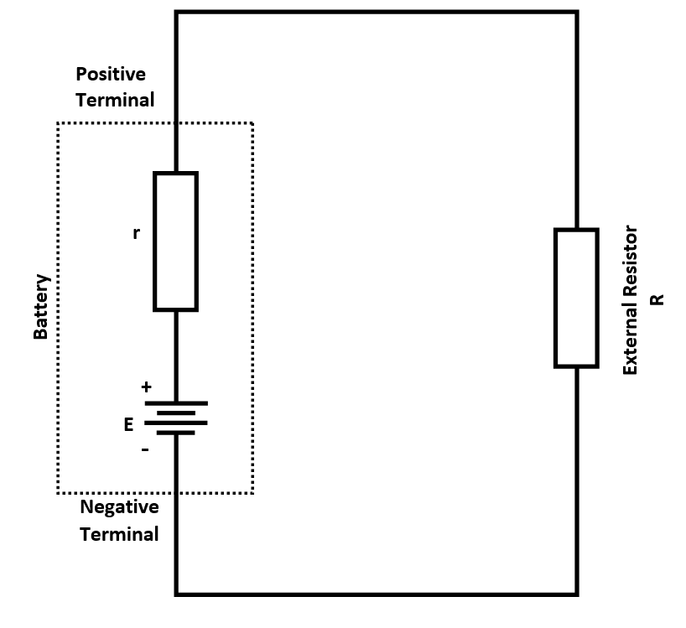
 |  |  |  |  |  | Formatting Legend
 |  |  |  |  |  | Known value
 |  |  |  |  |  | Empirical Data - Record during experiments
 |  |  |  |  |  | Conversion Factors - Add reference to other sheet
 |  |  |  |  |  | Calculated data - Create functions here
 |  |  |  |  |  | Calculated data - Drag functions here
 |  |  |  |  |  | *Boxes* - Plot data for visualization

Battery | E - Open-Circuit Voltage (V) | VT - Closed Circuit Terminal Voltage (V) | R - External Resistor (Ω) | r - Calculated lnternal Resistance (Ω) | I - Current (mAmps)
1
2

$$I=\frac{V_{T}}{R}$$
$$r=R×\left(E/{V_{T}−1}\right)=\frac{E−V_{T}}{I}$$

$$Note:I will be in amps in these equations$$

Question 1:
A 2.7 kΩ resistor has a voltage of 2750 mV. What is the power dissipated by the resistor?

Question 2: Choose true or false in F63
The internal resistance typically gets larger over time

Question 3: Choose true or false in F66
When taking resistance measurements, there should be no current flowing through the resistor

Question 4: Choose true or false in F70
The voltage measurements were taken while the multimeter was set to measure AC voltage

Reflection questions
1) From the calculations in Task 2.1 and 2.2, why do transmission lines use high voltages instead of lower voltages to transmit power?

2) When calculating I_{max}, why do you use the area of a single strand times the number of strands instead of measuring the outside diameter of the metal part of the cable and calculating area from that outer diameter?
(Hint: Draw a diagram of the cross section a cable with 7 individual strands and a diagram of a single large solid cable.)

3) Power = P = I²R . If I is in amps and R is in ohms then P will be in units of watts. Suppose you have 13700 mA going through a 1.2 k ohm resistor. What is the power dissipated in the resistor in MW?

4) Assume two cables have wire strands that are the same diameter and made of the same material. If one cable has 7 strands and another has 19 strands, which will have more resistance over a mile?

